Payout summary 10042025
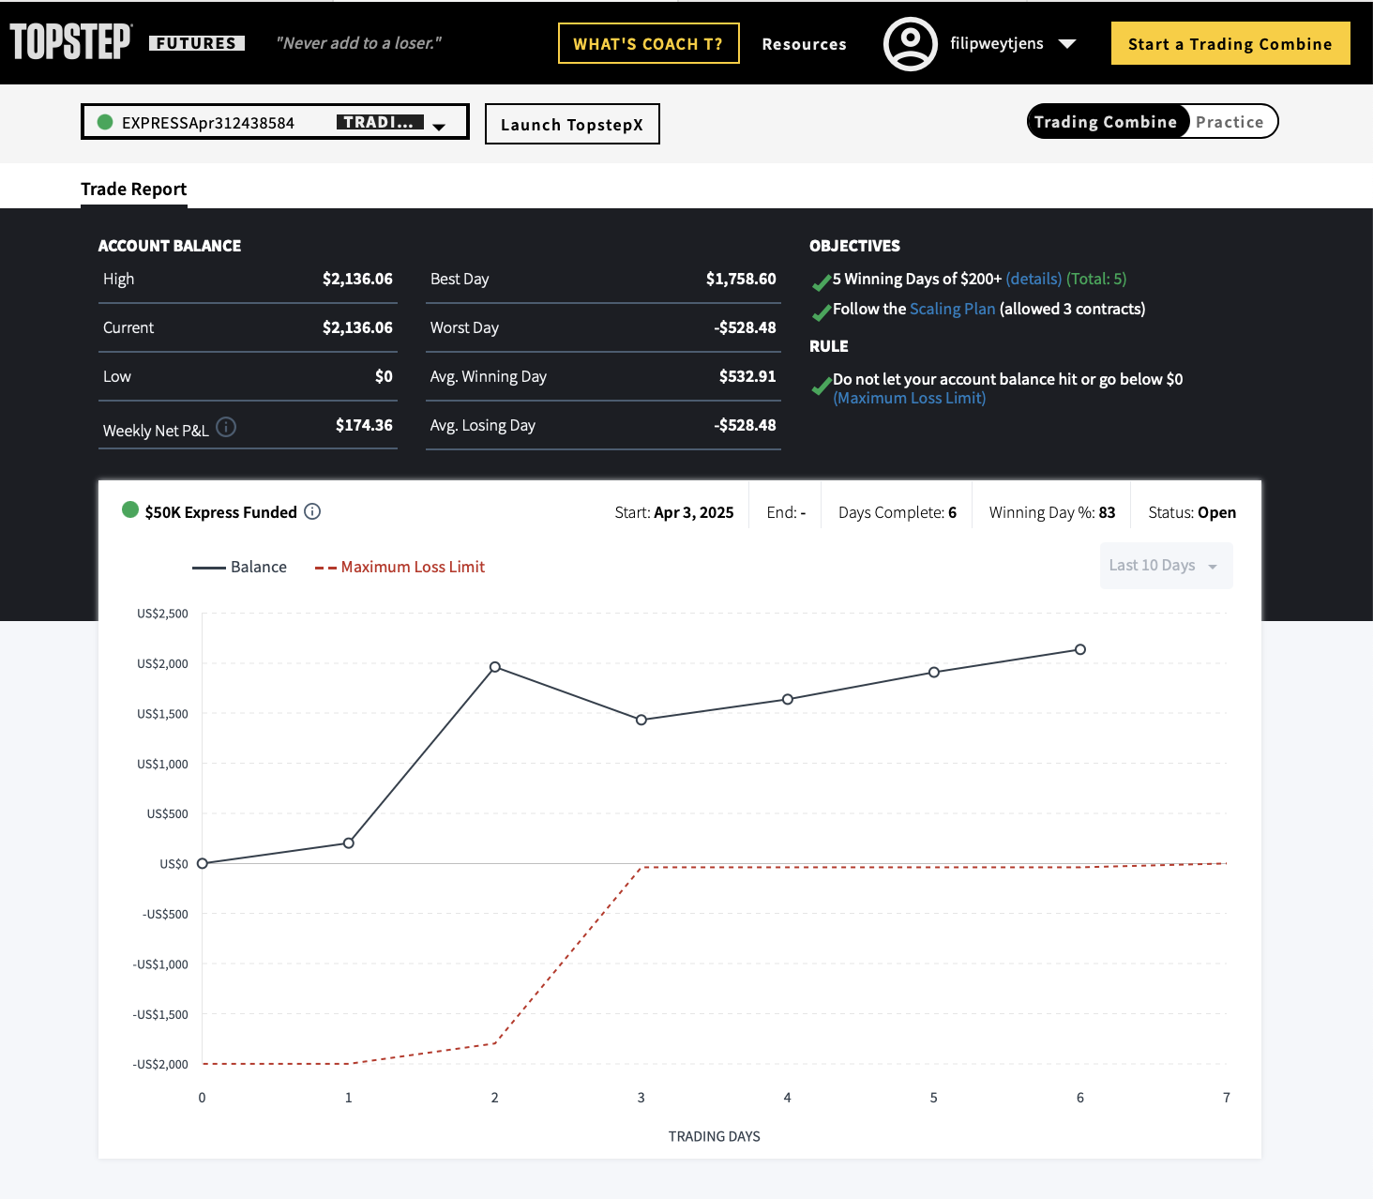
Payout | P-001 |  |  |  |  | Te ontvangen rekening
beschrijving | Payout request for Topstep |  |  |  |  | Begunstigde | Filip Weytjens
Datum | 2025-04-11

Payout | Acc Provider | Acc Number | Start Balance | PnL | Commission | Last Day Bal. | Payout Req. | Bal. Next Period
P-001 | Topstep | EXPRESSApr312438584 | 0 | $2,362.50 | $-226.44 | $2,136.06 | $1,050.00 | $1,086.06

